Sheet1
 |  | *LOOCV = leave-one-out cross validation
Best r2 scores Copenhagen |  | *average = average score of model with 10 different train/test splits
Model | r2 test score
Linear Regression (average*) | 0.5418 |  | GBR 5000 datapoints
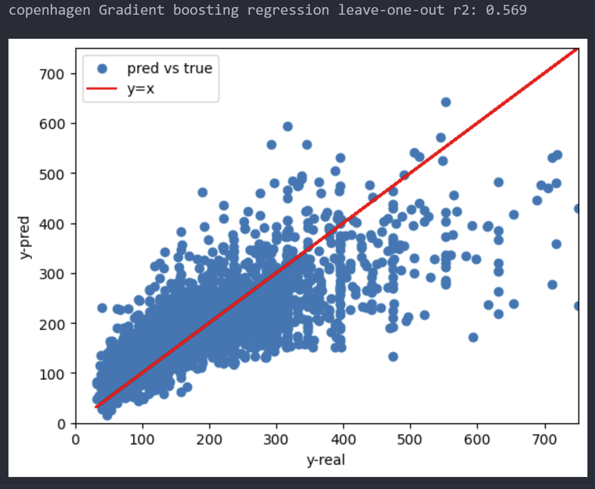
Linear Regression LOOCV | 0.5358
NuSVR (average*) | 0.5425
Gradient boosting regression (average*) | 0.6076
Gradient boosting regression with LOOCV (5000 samples) | 0.569
Gradient boosting regression with LOOCV (entire dataset)
Random Forest Regressor (average*) | 0.5347
Random Forest Regressor LOOCV
Neural Network

